Offer
 |  |  |  |  |  |  |  |  |  |  |  |  |  | 8358 |  | 660,231.38 € |  | 1,542,790.00 €
Picture | Brand | Macrocategory | Age Group | Gender | SKU | SKU-COLOR-SIZE | Article name | EAN | SIZE US | SIZE EU | Composition | Made In | HS CODE | Qty | WHS | TOTAL WHS | RRP | TOTAL RRP | Selection
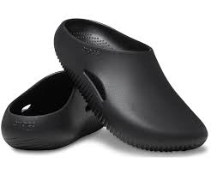 | NIKE | Slipper | ADULT | Men | 208493 | 208493-001-5 | Crocs Mellow Recovery Clog Black | 196265401666 | 5 | 37.5 | 100% Synthetic | ID | 6402.99.3900 | 1 | 25.00 € | 25.00 € | 50.00 € | 50.00 €
 | NIKE | Slipper | ADULT | Men | 208493 | 208493-001-7 | Crocs Mellow Recovery Clog Black | 196265401680 | 7 | 40 | 100% Synthetic | ID | 6402.99.3900 | 1 | 25.00 € | 25.00 € | 50.00 € | 50.00 €
 | NIKE | Sneakers | ADULT | Men | DD1391 | DD1391-103-13 | Nike Dunk Low Grey Fog | 195238789169 | 13 | 47.5 | 95% Leather; 5% Synthetic | VN | 6403.99.9810 | 22 | 60.00 € | 1,320.00 € | 120.00 € | 2,640.00 €
 | NIKE | Sneakers | ADULT | Men | DD1391 | DD1391-103-15 | Nike Dunk Low Grey Fog | 195238789183 | 15 | 49 | 95% Leather; 5% Synthetic | VN | 6403.99.9810 | 2 | 60.00 € | 120.00 € | 120.00 € | 240.00 €
 | NIKE | Sneakers | ADULT | Men | DD1391 | DD1391-601-11,5 | Nike Dunk Low Team Red | 195866272255 | 11.5 | 45.5 | 95% Leather; 5% Synthetic | VN | 6403.99.9810 | 18 | 60.00 € | 1,080.00 € | 120.00 € | 2,160.00 €
 | NIKE | Sneakers | ADULT | Men | DV0833 | DV0833-101-10 | Nike Dunk Low Clear Jade | 196608051886 | 10 | 44 | 95% Leather; 5% Synthetic | VN | 6403.99.9810 | 6 | 55.00 € | 330.00 € | 110.00 € | 660.00 €
 | NIKE | Sneakers | ADULT | Men | DV2440 | DV2440-201-8,5 | Nike Lunar Roam Sesame | 197596834253 | 8.5 | 42 | 95% Leather; 5% Synthetic | ID | 6403.99.9810 | 7 | 75.00 € | 525.00 € | 150.00 € | 1,050.00 €
 | NIKE | Sneakers | ADULT | Men | DV2440 | DV2440-201-9 | Nike Lunar Roam Sesame | 197596994766 | 9 | 42.5 | 95% Leather; 5% Synthetic | ID | 6403.99.9810 | 6 | 75.00 € | 450.00 € | 150.00 € | 900.00 €
 | NIKE | Sneakers | ADULT | Men | DV2440 | DV2440-201-9,5 | Nike Lunar Roam Sesame | 197598594957 | 9.5 | 43 | 95% Leather; 5% Synthetic | ID | 6403.99.9810 | 6 | 75.00 € | 450.00 € | 150.00 € | 900.00 €
 | NIKE | Sneakers | ADULT | Men | DV3337 | DV3337-400-8,5 | Nike Air Max Dn Hyper Blue | 197593869746 | 8.5 | 42 | 63% Leather; 30% Synthetic; 7% Textile | ID | 6403.99.9610 | 2 | 85.00 € | 170.00 € | 170.00 € | 340.00 €
 | NIKE | Sneakers | ADULT | Men | DV3337 | DV3337-400-9 | Nike Air Max Dn Hyper Blue | 197593873965 | 9 | 42.5 | 63% Leather; 30% Synthetic; 7% Textile | ID | 6403.99.9610 | 3 | 85.00 € | 255.00 € | 170.00 € | 510.00 €
 | NIKE | Sneakers | ADULT | Men | DV3337 | DV3337-400-9,5 | Nike Air Max Dn Hyper Blue | 197593875938 | 9.5 | 43 | 63% Leather; 30% Synthetic; 7% Textile | ID | 6403.99.9610 | 4 | 85.00 € | 340.00 € | 170.00 € | 680.00 €
 | NIKE | Sneakers | ADULT | Men | DV3337 | DV3337-400-10 | Nike Air Max Dn Hyper Blue | 197593866547 | 10 | 44 | 63% Leather; 30% Synthetic; 7% Textile | ID | 6403.99.9610 | 3 | 85.00 € | 255.00 € | 170.00 € | 510.00 €
 | NIKE | Sneakers | ADULT | Men | DV3337 | DV3337-400-10,5 | Nike Air Max Dn Hyper Blue | 197593848956 | 10.5 | 44.5 | 63% Leather; 30% Synthetic; 7% Textile | ID | 6403.99.9610 | 3 | 85.00 € | 255.00 € | 170.00 € | 510.00 €
 | NIKE | Sneakers | ADULT | Men | DV3337 | DV3337-400-11 | Nike Air Max Dn Hyper Blue | 197593852199 | 11 | 45 | 63% Leather; 30% Synthetic; 7% Textile | ID | 6403.99.9610 | 4 | 85.00 € | 340.00 € | 170.00 € | 680.00 €
 | NIKE | Sneakers | ADULT | Men | DV3337 | DV3337-400-11,5 | Nike Air Max Dn Hyper Blue | 197593861399 | 11.5 | 45.5 | 63% Leather; 30% Synthetic; 7% Textile | ID | 6403.99.9610 | 4 | 85.00 € | 340.00 € | 170.00 € | 680.00 €
 | NIKE | Sneakers | ADULT | Men | DV3337 | DV3337-201-8,5 | Nike Air Max Dn Neutral Olive Black | 197600787858 | 8.5 | 42 | 63% Leather; 30% Synthetic; 7% Textile | ID | 6403.99.9610 | 2 | 85.00 € | 170.00 € | 170.00 € | 340.00 €
 | NIKE | Sneakers | ADULT | Men | DV3337 | DV3337-201-9,5 | Nike Air Max Dn Neutral Olive Black | 197600743656 | 9.5 | 43 | 63% Leather; 30% Synthetic; 7% Textile | ID | 6403.99.9610 | 4 | 85.00 € | 340.00 € | 170.00 € | 680.00 €
 | NIKE | Sneakers | ADULT | Men | DV3337 | DV3337-201-11 | Nike Air Max Dn Neutral Olive Black | 197600774100 | 11 | 45 | 63% Leather; 30% Synthetic; 7% Textile | ID | 6403.99.9610 | 2 | 85.00 € | 170.00 € | 170.00 € | 340.00 €
 | NIKE | Sneakers | ADULT | Men | DV3337 | DV3337-102-7 | Nike Air Max Dn Platinum Royal Blue | 197599765462 | 7 | 40 | 63% Leather; 30% Synthetic; 7% Textile | ID | 6403.99.9610 | 2 | 85.00 € | 170.00 € | 170.00 € | 340.00 €
 | NIKE | Sneakers | ADULT | Men | DV3337 | DV3337-102-7,5 | Nike Air Max Dn Platinum Royal Blue | 197599769972 | 7.5 | 40.5 | 63% Leather; 30% Synthetic; 7% Textile | ID | 6403.99.9610 | 2 | 85.00 € | 170.00 € | 170.00 € | 340.00 €
 | NIKE | Sneakers | ADULT | Men | DV3337 | DV3337-102-8,5 | Nike Air Max Dn Platinum Royal Blue | 197599768357 | 8.5 | 42 | 63% Leather; 30% Synthetic; 7% Textile | ID | 6403.99.9610 | 3 | 85.00 € | 255.00 € | 170.00 € | 510.00 €
 | NIKE | Sneakers | ADULT | Men | DV3337 | DV3337-102-9 | Nike Air Max Dn Platinum Royal Blue | 197599767268 | 9 | 42.5 | 63% Leather; 30% Synthetic; 7% Textile | ID | 6403.99.9610 | 4 | 85.00 € | 340.00 € | 170.00 € | 680.00 €
 | NIKE | Sneakers | ADULT | Men | DV3337 | DV3337-102-10 | Nike Air Max Dn Platinum Royal Blue | 197599766193 | 10 | 44 | 63% Leather; 30% Synthetic; 7% Textile | ID | 6403.99.9610 | 1 | 85.00 € | 85.00 € | 170.00 € | 170.00 €
 | NIKE | Sneakers | ADULT | Men | DV3337 | DV3337-102-11 | Nike Air Max Dn Platinum Royal Blue | 197599769200 | 11 | 45 | 63% Leather; 30% Synthetic; 7% Textile | ID | 6403.99.9610 | 1 | 85.00 € | 85.00 € | 170.00 € | 170.00 €
 | NIKE | Sneakers | ADULT | Men | DV3337 | DV3337-102-11,5 | Nike Air Max Dn Platinum Royal Blue | 197599768470 | 11.5 | 45.5 | 63% Leather; 30% Synthetic; 7% Textile | ID | 6403.99.9610 | 2 | 85.00 € | 170.00 € | 170.00 € | 340.00 €
 | NIKE | Sneakers | ADULT | Men | DV3337 | DV3337-007-6 | Nike Air Max Dn Wolf Grey | 197596639780 | 6 | 38.5 | 51% Leather; 49% Synthetic | ID | 6403.99.9610 | 3 | 85.00 € | 255.00 € | 170.00 € | 510.00 €
 | NIKE | Sneakers | ADULT | Men | DV3337 | DV3337-007-6,5 | Nike Air Max Dn Wolf Grey | 197596267358 | 6.5 | 39 | 51% Leather; 49% Synthetic | ID | 6403.99.9610 | 3 | 85.00 € | 255.00 € | 170.00 € | 510.00 €
 | NIKE | Sneakers | ADULT | Men | DV3337 | DV3337-007-13 | Nike Air Max Dn Wolf Grey | 197596270471 | 13 | 47.5 | 51% Leather; 49% Synthetic | ID | 6403.99.9610 | 2 | 85.00 € | 170.00 € | 170.00 € | 340.00 €
 | NIKE | Sneakers | ADULT | Men | DV3337 | DV3337-007-15 | Nike Air Max Dn Wolf Grey | 197598783238 | 15 | 49.5 | 51% Leather; 49% Synthetic | ID | 6403.99.9610 | 2 | 85.00 € | 170.00 € | 170.00 € | 340.00 €
 | NIKE | Sneakers | ADULT | Men | FD4290 | FD4290-002-5 | Nike Air Max Plus Drift Light Smoke Grey | 196975571376 | 5 | 37.5 | 63% Leather; 30% Synthetic; 7% Textile | ID | 6403.99.9610 | 2 | 100.00 € | 200.00 € | 200.00 € | 400.00 €
 | NIKE | Sneakers | ADULT | Men | FD4290 | FD4290-002-5,5 | Nike Air Max Plus Drift Light Smoke Grey | 196975563227 | 5.5 | 38 | 63% Leather; 30% Synthetic; 7% Textile | ID | 6403.99.9610 | 3 | 100.00 € | 300.00 € | 200.00 € | 600.00 €
 | NIKE | Sneakers | ADULT | Men | FD4290 | FD4290-002-6 | Nike Air Max Plus Drift Light Smoke Grey | 196975555192 | 6 | 38.5 | 63% Leather; 30% Synthetic; 7% Textile | ID | 6403.99.9610 | 2 | 100.00 € | 200.00 € | 200.00 € | 400.00 €
 | NIKE | Sneakers | ADULT | Men | FQ9079 | FQ9079-700-8 | Nike LD-1000 SP University Gold Safety Orange | 197600931152 | 8 | 41 | 100% Textile | ID | 6404.11.0000 | 1 | 50.00 € | 50.00 € | 100.00 € | 100.00 €
 | NIKE | Sneakers | ADULT | Men | FZ4625 | FZ4625-001-9 | Nike Air Force 1 Low 07 Black Court Blue | 196976428570 | 9 | 42.5 | 51% Leather; 49% Synthetic | VN | 6403.99.9610 | 3 | 65.00 € | 195.00 € | 130.00 € | 390.00 €
 | NIKE | Sneakers | ADULT | Men | HJ3989 | HJ3989-001-6 | Nike Air Max 90 Premium Iron Grey | 197595742511 | 6 | 38.5 | 63% Leather; 30% Synthetic; 7% Textile | VN | 6403.99.9610 | 9 | 85.00 € | 765.00 € | 170.00 € | 1,530.00 €
 | NIKE | Sneakers | ADULT | Men | HJ9118 | HJ9118-386-5,5 | Nike Air Force 1 Low Wet Putty 2.0 | 197599843023 | 5.5 | 38 | 51% Leather; 49% Synthetic | VN | 6403.99.9610 | 4 | 65.00 € | 260.00 € | 130.00 € | 520.00 €
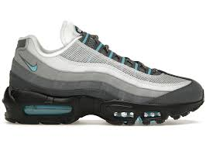 | NIKE | Sneakers | ADULT | Men | HM0622 | HM0622-003-5 | Nike Air Max 95 Baltic Blue | 197599082774 | 5 | 37.5 | 51% Leather; 49% Synthetic | ID | 6403.99.9610 | 9 | 95.00 € | 855.00 € | 190.00 € | 1,710.00 €
 | NIKE | Sneakers | ADULT | Men | HM0622 | HM0622-003-6 | Nike Air Max 95 Baltic Blue | 197599083474 | 6 | 38.5 | 51% Leather; 49% Synthetic | ID | 6403.99.9610 | 5 | 95.00 € | 475.00 € | 190.00 € | 950.00 €
 | NIKE | Sneakers | ADULT | Men | HM0810 | HM0810-401-7,5 | Nike Air Max Dn SE Hyper Blue Chamois | 197601272605 | 7.5 | 40.5 | 63% Leather; 30% Synthetic; 7% Textile | ID | 6403.99.9610 | 4 | 90.00 € | 360.00 € | 180.00 € | 720.00 €
 | NIKE | Sneakers | ADULT | Men | HM0810 | HM0810-401-8 | Nike Air Max Dn SE Hyper Blue Chamois | 197601273039 | 8 | 41 | 63% Leather; 30% Synthetic; 7% Textile | ID | 6403.99.9610 | 3 | 90.00 € | 270.00 € | 180.00 € | 540.00 €
 | NIKE | Sneakers | ADULT | Men | HM0810 | HM0810-401-9,5 | Nike Air Max Dn SE Hyper Blue Chamois | 197601272704 | 9.5 | 43 | 63% Leather; 30% Synthetic; 7% Textile | ID | 6403.99.9610 | 1 | 90.00 € | 90.00 € | 180.00 € | 180.00 €
 | NIKE | Sneakers | ADULT | Unisex | FB7720 | FB7720-002-12 | Nike Dunk Low LX Light Smoke Grey | 196969065201 | 12 | 44.5 | 95% Leather; 5% Synthetic | VN | 6403.99.9810 | 11 | 60.00 € | 660.00 € | 120.00 € | 1,320.00 €
 | NIKE | Sneakers | ADULT | Unisex | FB7720 | FB7720-002-12,5 | Nike Dunk Low LX Light Smoke Grey | 196969065218 | 12.5 | 45 | 95% Leather; 5% Synthetic | VN | 6403.99.9810 | 11 | 60.00 € | 660.00 € | 120.00 € | 1,320.00 €
 | NIKE | Sneakers | ADULT | Unisex | FN6703 | FN6703-003-8 | Nike V2K Run Light Pumic Black Chrome | 197596282122 | 8 | 39 | 100,0% Textile | CN | 6404.11.0000 | 1 | 60.00 € | 60.00 € | 120.00 € | 120.00 €
 | NIKE | Sneakers | ADULT | Unisex | FQ2755 | FQ2755-200-12 | Nike Dunk High Dusted Clay | 196974549116 | 12 | 44.5 | 92% Leather; 8% Synthetic | ID | 6403.91.1810 | 3 | 65.00 € | 195.00 € | 130.00 € | 390.00 €
 | NIKE | Sneakers | ADULT | Unisex | FQ8250 | FQ8250-200-5 | Nike Dunk Low Premium Medium Olive Hemp | 197601297189 | 5 | 37.5 | 100% Synthetic | VN | 6402.99.9800 | 1 | 65.00 € | 65.00 € | 130.00 € | 130.00 €
 | NIKE | Sneakers | ADULT | Unisex | FQ8250 | FQ8250-200-7,5 | Nike Dunk Low Premium Medium Olive Hemp | 197596841046 | 7.5 | 40.5 | 100% Synthetic | VN | 6402.99.9800 | 9 | 65.00 € | 585.00 € | 130.00 € | 1,170.00 €
 | NIKE | Sneakers | ADULT | Unisex | HF0023 | HF0023-100-5,5 | Nike Dunk Low Light Bone Armory Blue | 196977330582 | 5.5 | 36 | 95% Leather; 5% Synthetic | VN | 6403.99.9810 | 20 | 60.00 € | 1,200.00 € | 120.00 € | 2,400.00 €
 | NIKE | Sneakers | ADULT | Unisex | HF0023 | HF0023-100-12 | Nike Dunk Low Light Bone Armory Blue | 196977342257 | 12 | 44.5 | 95% Leather; 5% Synthetic | VN | 6403.99.9810 | 27 | 60.00 € | 1,620.00 € | 120.00 € | 3,240.00 €
 | NIKE | Sneakers | ADULT | Unisex | HJ7673 | HJ7673-100-8,5 | Nike Dunk Low Next Nature Flax Coconut Milk | 197596171921 | 8.5 | 40 | 100% Synthetic | VN | 6402.99.9800 | 4 | 60.00 € | 240.00 € | 120.00 € | 480.00 €
 | NIKE | Sneakers | ADULT | Unisex | HJ7673 | HJ7673-100-9 | Nike Dunk Low Next Nature Flax Coconut Milk | 197596378030 | 9 | 40.5 | 100% Synthetic | VN | 6402.99.9800 | 1 | 60.00 € | 60.00 € | 120.00 € | 120.00 €
 | NIKE | Sneakers | ADULT | Unisex | HJ7673 | HJ7673-100-10,5 | Nike Dunk Low Next Nature Flax Coconut Milk | 197596702217 | 10.5 | 42.5 | 100% Synthetic | VN | 6402.99.9800 | 3 | 60.00 € | 180.00 € | 120.00 € | 360.00 €
 | NIKE | Sneakers | ADULT | Unisex | HJ7673 | HJ7673-100-11 | Nike Dunk Low Next Nature Flax Coconut Milk | 197596930658 | 11 | 43 | 100% Synthetic | VN | 6402.99.9800 | 3 | 60.00 € | 180.00 € | 120.00 € | 360.00 €
 | NIKE | Sneakers | ADULT | Unisex | HJ7673 | HJ7673-100-11,5 | Nike Dunk Low Next Nature Flax Coconut Milk | 197596637212 | 11.5 | 44 | 100% Synthetic | VN | 6402.99.9800 | 4 | 60.00 € | 240.00 € | 120.00 € | 480.00 €
 | NIKE | Sneakers | ADULT | Unisex | HJ7673 | HJ7673-100-12 | Nike Dunk Low Next Nature Flax Coconut Milk | 197596682786 | 12 | 44.5 | 100% Synthetic | VN | 6402.99.9800 | 5 | 60.00 € | 300.00 € | 120.00 € | 600.00 €
 | NIKE | Sneakers | ADULT | Unisex | IB2051 | IB2051-400-7,5 | Nike Dunk Low QS CO.JP What The (2024) | 197860595941 | 7.5 | 40.5 | 95% Leather; 5% Synthetic | ID | 6403.91.9110 | 4 | 60.00 € | 240.00 € | 120.00 € | 480.00 €
 | NIKE | Sneakers | ADULT | Unisex | IB2051 | IB2051-400-8 | Nike Dunk Low QS CO.JP What The (2024) | 197860596580 | 8 | 41 | 95% Leather; 5% Synthetic | ID | 6403.91.9110 | 5 | 60.00 € | 300.00 € | 120.00 € | 600.00 €
 | NIKE | Sneakers | ADULT | Unisex | IB2051 | IB2051-400-8,5 | Nike Dunk Low QS CO.JP What The (2024) | 197860595699 | 8.5 | 42 | 95% Leather; 5% Synthetic | ID | 6403.91.9110 | 6 | 60.00 € | 360.00 € | 120.00 € | 720.00 €
 | NIKE | Sneakers | ADULT | Unisex | IB2051 | IB2051-400-9 | Nike Dunk Low QS CO.JP What The (2024) | 197860595439 | 9 | 42.5 | 95% Leather; 5% Synthetic | ID | 6403.91.9110 | 7 | 60.00 € | 420.00 € | 120.00 € | 840.00 €
 | NIKE | Sneakers | ADULT | Unisex | IB2051 | IB2051-400-9,5 | Nike Dunk Low QS CO.JP What The (2024) | 197860595286 | 9.5 | 43 | 95% Leather; 5% Synthetic | ID | 6403.91.9110 | 10 | 60.00 € | 600.00 € | 120.00 € | 1,200.00 €
 | NIKE | Sneakers | ADULT | Unisex | IB2051 | IB2051-400-10 | Nike Dunk Low QS CO.JP What The (2024) | 197860595705 | 10 | 44 | 95% Leather; 5% Synthetic | ID | 6403.91.9110 | 5 | 60.00 € | 300.00 € | 120.00 € | 600.00 €
 | NIKE | Sneakers | ADULT | Unisex | IB2051 | IB2051-400-10,5 | Nike Dunk Low QS CO.JP What The (2024) | 197860594890 | 10.5 | 44.5 | 95% Leather; 5% Synthetic | ID | 6403.91.9110 | 5 | 60.00 € | 300.00 € | 120.00 € | 600.00 €
 | NIKE | Sneakers | ADULT | Unisex | IB2051 | IB2051-400-11 | Nike Dunk Low QS CO.JP What The (2024) | 197860596559 | 11 | 45 | 95% Leather; 5% Synthetic | ID | 6403.91.9110 | 2 | 60.00 € | 120.00 € | 120.00 € | 240.00 €
 | NIKE | Sneakers | ADULT | Unisex | IB2051 | IB2051-400-11,5 | Nike Dunk Low QS CO.JP What The (2024) | 197860595842 | 11.5 | 45.5 | 95% Leather; 5% Synthetic | ID | 6403.91.9110 | 2 | 60.00 € | 120.00 € | 120.00 € | 240.00 €
 | NIKE | Sneakers | ADULT | Unisex | IB2051 | IB2051-400-12,5 | Nike Dunk Low QS CO.JP What The (2024) | 197860594913 | 12.5 | 47 | 95% Leather; 5% Synthetic | ID | 6403.91.9110 | 2 | 60.00 € | 120.00 € | 120.00 € | 240.00 €
 | NIKE | Sneakers | ADULT | Unisex | IB2051 | IB2051-400-13 | Nike Dunk Low QS CO.JP What The (2024) | 197860595347 | 13 | 47.5 | 95% Leather; 5% Synthetic | ID | 6403.91.9110 | 1 | 60.00 € | 60.00 € | 120.00 € | 120.00 €
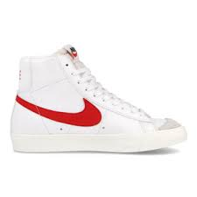 | NIKE | Sneakers | ADULT | Women | CZ1055 | CZ1055-101-5,5 | Nike Blazer Mid 77 Vintage Habanero Red | 194276153802 | 5.5 | 36 | 82% Leather; 18% Synthetic | IN | 6403.91.9690 | 1 | 50.00 € | 50.00 € | 100.00 € | 100.00 €
 | NIKE | Sneakers | ADULT | Women | FD2196 | FD2196-004-6,5 | Nike Phoenix Waffle Phantom Sail Black Platinum Violet | 197600779709 | 6.5 | 37.5 | 95% Leather; 5% Synthetic | ID | 6403.99.9810 | 6 | 50.00 € | 300.00 € | 100.00 € | 600.00 €
 | NIKE | Sneakers | ADULT | Women | FN6742 | FN6742-300-8,5 | Nike Zoom Vomero 5 Vintage Green Light Orewood Brown Hemp Chrome | 197600762664 | 8.5 | 40 | 100,0% Textile | CN | 6404.11.0000 | 1 | 80.00 € | 80.00 € | 160.00 € | 160.00 €
 | NIKE | Sneakers | ADULT | Women | HV2390 | HV2390-100-6,5 | Nike Dunk Low Armoury Navy | 197859252169 | 6.5 | 37.5 | 95% Leather; 5% Synthetic | VN | 6403.99.9810 | 3 | 60.00 € | 180.00 € | 120.00 € | 360.00 €
 | NIKE | Sneakers | ADULT | Women | HV2390 | HV2390-100-8 | Nike Dunk Low Armoury Navy | 197859253500 | 8 | 39 | 95% Leather; 5% Synthetic | VN | 6403.99.9810 | 3 | 60.00 € | 180.00 € | 120.00 € | 360.00 €
 | NIKE | Sneakers | ADULT | Women | HV2512 | HV2512-200-7,5 | Nike Dunk Low Reverse Maple | 197859254255 | 7.5 | 38.5 | 95% Leather; 5% Synthetic | VN | 6403.99.9810 | 2 | 60.00 € | 120.00 € | 120.00 € | 240.00 €
 | NIKE | Sneakers | ADULT | Women | HV2512 | HV2512-200-8 | Nike Dunk Low Reverse Maple | 197859254170 | 8 | 39 | 95% Leather; 5% Synthetic | VN | 6403.99.9810 | 3 | 60.00 € | 180.00 € | 120.00 € | 360.00 €
 | NIKE | Sneakers | ADULT | Women | HV2512 | HV2512-200-9 | Nike Dunk Low Reverse Maple | 197859251650 | 9 | 40.5 | 95% Leather; 5% Synthetic | VN | 6403.99.9810 | 3 | 60.00 € | 180.00 € | 120.00 € | 360.00 €
 | NIKE | Sneakers | ADULT | Women | HV2512 | HV2512-200-9,5 | Nike Dunk Low Reverse Maple | 197859255764 | 9.5 | 41 | 95% Leather; 5% Synthetic | VN | 6403.99.9810 | 1 | 60.00 € | 60.00 € | 120.00 € | 120.00 €
 | NIKE | Sneakers | ADULT | Women | HV2512 | HV2512-200-10 | Nike Dunk Low Reverse Maple | 197859253609 | 10 | 42 | 95% Leather; 5% Synthetic | VN | 6403.99.9810 | 3 | 60.00 € | 180.00 € | 120.00 € | 360.00 €
 | NIKE | Sneakers | ADULT | Women | HV2512 | HV2512-200-10,5 | Nike Dunk Low Reverse Maple | 197859254668 | 10.5 | 42.5 | 95% Leather; 5% Synthetic | VN | 6403.99.9810 | 3 | 60.00 € | 180.00 € | 120.00 € | 360.00 €
 | NIKE | Sneakers | ADULT | Women | HV6417 | HV6417-001-9 | Nike Zoom Vomero 5 Metallic Silver Platinum Violet | 197860760806 | 7.5 | 38.5 | 100,0% Textile | CN | 6404.11.0000 | 1 | 85.00 € | 85.00 € | 170.00 € | 170.00 €
 | NIKE | Sneakers | ADULT | Unisex | DX8733 | DX8733-007-10 | Jordan Luka 2 All-Star | 196975579334 | 10 | 44 | 55% Leather; 45% Synthetic | ID | 6403.91.1190 | 2 | 65.00 € | 130.00 € | 130.00 € | 260.00 €
...
 | NIKE | Sneakers | ADULT | Unisex | DX8733 | DX8733-007-12
 | NIKE | Sneakers | ADULT | Unisex | DX8733 | DX8733-007-13
 | NIKE | Sneakers | ADULT | Unisex | DX8733 | DX8733-007-14
 | NIKE | Sneakers | ADULT | Unisex | DX8733 | DX8733-007-15
 | NIKE | Sneakers | ADULT | Unisex | DX8733 | DX8733-100-7,5
 | NIKE | Sneakers | ADULT | Unisex | DX8733 | DX8733-100-8
 | NIKE | Sneakers | ADULT | Unisex | DX8733 | DX8733-100-12,5
 | NIKE | Sneakers | ADULT | Unisex | DX8733 | DX8733-100-13
 | NIKE | Sneakers | ADULT | Unisex | DX8733 | DX8733-100-15
 | NIKE | Sneakers | ADULT | Unisex | DZ5485 | DZ5485-130-12,5
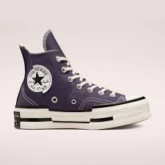 | CONVERSE | Sneakers | ADULT | Men | A00866C | A00866C-8,5
 | ADIDAS | Sneakers | ADULT | Men | BZ0111 | BZ0111-WHITE-11.5
 | ADIDAS | Sneakers | ADULT | Men | EH3256 | EH3256-BLUE-3.5
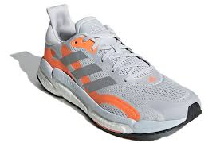 | ADIDAS | Sneakers | ADULT | Men | FY0316 | FY0316-GREY_SILVER-7.5
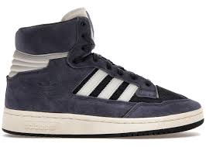 | ADIDAS | Sneakers | ADULT | Men | FZ5992 | FZ5992-NAVY-7.5
 | ADIDAS | Sneakers | ADULT | Men | G27707 | G27707-BLACK_NAVY-3.5
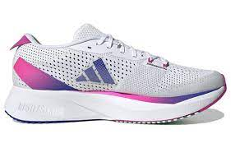 | ADIDAS | Sneakers | ADULT | Men | GV9095 | GV9095-WHITE-7.5
 | ADIDAS | Sneakers | ADULT | Men | GV9095 | GV9095-WHITE-8
 | ADIDAS | Sneakers | ADULT | Men | GV9095 | GV9095-WHITE-9
 | ADIDAS | Sneakers | ADULT | Men | GV9095 | GV9095-WHITE-9.5
 | ADIDAS | Sneakers | ADULT | Men | GV9095 | GV9095-WHITE-10
 | ADIDAS | Sneakers | ADULT | Men | GV9095 | GV9095-WHITE-10.5
 | ADIDAS | Sneakers | ADULT | Men | GV9095 | GV9095-WHITE-11
 | ADIDAS | Sneakers | ADULT | Men | GV9321 | GV9321-BROWN-6.5
 | ADIDAS | Sneakers | ADULT | Men | GW1375 | GW1375-BLACK-9
 | ADIDAS | Sneakers | ADULT | Men | GW1375 | GW1375-BLACK-11.5
 | ADIDAS | Sneakers | ADULT | Men | GW1375 | GW1375-BLACK-12
 | ADIDAS | Sneakers | ADULT | Men | GW2013 | GW2013-BLACK-6.5
 | ADIDAS | Sneakers | ADULT | Men | GW2043 | GW2043-WHITE-6.5
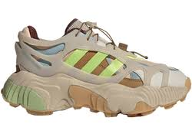 | ADIDAS | Sneakers | ADULT | Men | GW2182 | GW2182-BLUE-10
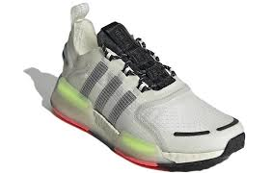 | ADIDAS | Sneakers | ADULT | Men | GW3063 | GW3063-WHITE_BLACK-6
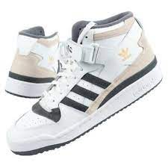 | ADIDAS | Sneakers | ADULT | Men | GW4371 | GW4371-WHITE_GREY-6.5
 | ADIDAS | Sneakers | ADULT | Men | GW4371 | GW4371-WHITE_GREY-7
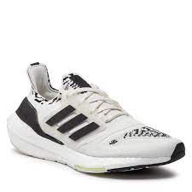 | ADIDAS | Sneakers | ADULT | Men | GX5573 | GX5573-BLACK-8
 | ADIDAS | Sneakers | ADULT | Men | GX5938 | GX5938-BEIGE_GREEN-7
 | ADIDAS | Sneakers | ADULT | Men | GX5938 | GX5938-BEIGE_GREEN-7.5
 | ADIDAS | Sneakers | ADULT | Men | GX5938 | GX5938-BEIGE_GREEN-8
 | ADIDAS | Sneakers | ADULT | Men | GX5938 | GX5938-BEIGE_GREEN-10.5
 | ADIDAS | Sneakers | ADULT | Men | GX5938 | GX5938-BEIGE_GREEN-11.5
 | ADIDAS | Sneakers | ADULT | Men | GX6300 | GX6300-BLACK-8.5
 | ADIDAS | Sneakers | ADULT | Men | GX6300 | GX6300-BLACK-9
 | ADIDAS | Sneakers | ADULT | Men | GX6689 | GX6689-WHITE-8
 | ADIDAS | Sneakers | ADULT | Men | GX6689 | GX6689-WHITE-8.5
 | ADIDAS | Sneakers | ADULT | Men | GX6689 | GX6689-WHITE-9
...
 | ADIDAS | Sneakers | ADULT | Men | GY1680 | GY1680-WHITE-12
 | ADIDAS | Sneakers | ADULT | Men | GZ6480 | GZ6480-PURPLE-6
 | ADIDAS | Sneakers | ADULT | Men | GZ6480 | GZ6480-PURPLE-6.5
 | ADIDAS | Sneakers | ADULT | Men | HQ0949 | HQ0949-BLACK_GOLD-6.5
 | ADIDAS | Sneakers | ADULT | Men | HQ0949 | HQ0949-BLACK_GOLD-7
 | ADIDAS | Sneakers | ADULT | Men | HQ1351 | HQ1351-GREY-10.5
 | ADIDAS | Sneakers | ADULT | Men | HQ1351 | HQ1351-GREY-11
 | ADIDAS | Sneakers | ADULT | Men | HQ1351 | HQ1351-GREY-12
 | ADIDAS | Sneakers | ADULT | Men | S23893 | S23893-BLUE_WHITE-6
 | ADIDAS | Sneakers | ADULT | Men | S23893 | S23893-BLUE_WHITE-7.5
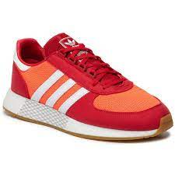 | ADIDAS | Sneakers | ADULT | Unisex | EE4919 | EE4919-RED-9
 | ADIDAS | Sneakers | JUNIOR | Unisex | FZ6254 | FZ6254-WHITE-4.5
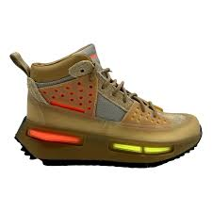 | ADIDAS | Sneakers | ADULT | Unisex | GV6638 | GV6638-MULTICOLOUR-9
 | ADIDAS | Sneakers | KIDS | Unisex | GV7849 | GV7849-PINK_WHITE-11.5K
 | ADIDAS | Sneakers | JUNIOR | Unisex | GW4088 | GW4088-GREY-10K
 | ADIDAS | Sneakers | KIDS | Unisex | GW8181 | GW8181-PINK_WHITE-11.5K
 | ADIDAS | Sneakers | KIDS | Unisex | GW9014 | GW9014-BLACK_WHITE-2.5
 | ADIDAS | Sneakers | KIDS | Unisex | GW9014 | GW9014-BLACK_WHITE-10K
 | ADIDAS | Sneakers | KIDS | Unisex | GW9014 | GW9014-BLACK_WHITE-11.5K
 | ADIDAS | Sneakers | KIDS | Unisex | GW9014 | GW9014-BLACK_WHITE-11K
 | ADIDAS | Sneakers | KIDS | Unisex | GW9014 | GW9014-BLACK_WHITE-12.5K
 | ADIDAS | Sneakers | KIDS | Unisex | GW9014 | GW9014-BLACK_WHITE-13.5K
 | ADIDAS | Sneakers | ADULT | Unisex | GX2131 | GX2131-WHITE-8
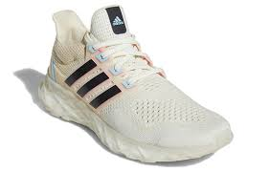 | ADIDAS | Sneakers | ADULT | Unisex | GX2131 | GX2131-WHITE-11.5
 | ADIDAS | Sneakers | INFANT | Unisex | GX3540 | GX3540-BLUE-6K
 | ADIDAS | Sneakers | ADULT | Unisex | GX9300 | GX9300-WHITE_GOLD-12
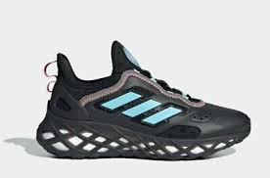 | ADIDAS | Sneakers | JUNIOR | Unisex | GX9760 | GX9760-BLACK_BLUE-5
 | ADIDAS | Sneakers | ADULT | Unisex | GY3276 | GY3276-WHITE-4
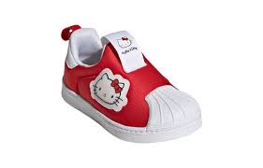 | ADIDAS | Sneakers | INFANT | Unisex | GY9213 | GY9213-RED-5.5K
 | ADIDAS | Sneakers | INFANT | Unisex | GY9213 | GY9213-RED-5K
 | ADIDAS | Sneakers | INFANT | Unisex | GY9213 | GY9213-RED-6K
 | ADIDAS | Sneakers | INFANT | Unisex | GY9213 | GY9213-RED-7.5K
 | ADIDAS | Sneakers | INFANT | Unisex | GY9213 | GY9213-RED-7K
 | ADIDAS | Sneakers | INFANT | Unisex | GY9213 | GY9213-RED-9.5K
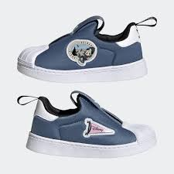 | ADIDAS | Sneakers | INFANT | Unisex | GY9219 | GY9219-BLUE_WHITE-5K
 | ADIDAS | Sneakers | INFANT | Unisex | GY9219 | GY9219-BLUE_WHITE-6K
 | ADIDAS | Sneakers | INFANT | Unisex | GY9219 | GY9219-BLUE_WHITE-7K
 | ADIDAS | Sneakers | INFANT | Unisex | GY9219 | GY9219-BLUE_WHITE-8.5K
 | ADIDAS | Sneakers | INFANT | Unisex | GY9219 | GY9219-BLUE_WHITE-9.5K
 | ADIDAS | Sneakers | KIDS | Unisex | GZ1707 | GZ1707-RED-2.5
 | ADIDAS | Sneakers | KIDS | Unisex | GZ1707 | GZ1707-RED-10.5K
 | ADIDAS | Sneakers | KIDS | Unisex | GZ1707 | GZ1707-RED-10K
 | ADIDAS | Sneakers | KIDS | Unisex | GZ1707 | GZ1707-RED-11.5K
 | ADIDAS | Sneakers | KIDS | Unisex | GZ1707 | GZ1707-RED-11K
 | ADIDAS | Sneakers | KIDS | Unisex | GZ1707 | GZ1707-RED-12.5K
 | ADIDAS | Sneakers | KIDS | Unisex | GZ1707 | GZ1707-RED-13.5K
 | ADIDAS | Sneakers | INFANT | Unisex | GZ2411 | GZ2411-YELLOW_WHITE-5.5K
 | ADIDAS | Sneakers | INFANT | Unisex | GZ2411 | GZ2411-YELLOW_WHITE-6K
 | ADIDAS | Sneakers | INFANT | Unisex | GZ2411 | GZ2411-YELLOW_WHITE-7.5K
 | ADIDAS | Sneakers | INFANT | Unisex | GZ2411 | GZ2411-YELLOW_WHITE-7K
 | ADIDAS | Sneakers | KIDS | Unisex | GZ4419 | GZ4419-BLUE_WHITE-13.5K
 | ADIDAS | Sneakers | JUNIOR | Unisex | GZ4928 | GZ4928-YELLOW-3.5
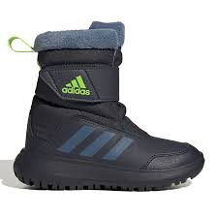 | ADIDAS | Sneakers | KIDS | Unisex | GZ6796 | GZ6796-BLUE_GREEN-13K
 | ADIDAS | Sneakers | ADULT | Unisex | GZ7200 | GZ7200-BLACK-9
 | ADIDAS | Sneakers | INFANT | Unisex | GZ9467 | GZ9467-WHITE_BLUE-5.5K
 | ADIDAS | Sneakers | INFANT | Unisex | GZ9467 | GZ9467-WHITE_BLUE-5K
 | ADIDAS | Sneakers | INFANT | Unisex | GZ9467 | GZ9467-WHITE_BLUE-6K
 | ADIDAS | Sneakers | INFANT | Unisex | GZ9467 | GZ9467-WHITE_BLUE-9.5K
 | ADIDAS | Sneakers | ADULT | Unisex | HP3210 | HP3210-WHITE-3.5
 | ADIDAS | Sneakers | ADULT | Unisex | HP3210 | HP3210-WHITE-4
 | ADIDAS | Sneakers | ADULT | Unisex | HP3210 | HP3210-WHITE-6.5
 | ADIDAS | Sneakers | ADULT | Unisex | HP3210 | HP3210-WHITE-8.5
 | ADIDAS | Sneakers | ADULT | Unisex | HP3210 | HP3210-WHITE-9
 | ADIDAS | Sneakers | KIDS | Unisex | HP5878 | HP5878-WHITE_BLUE-13.5K
 | ADIDAS | Sneakers | JUNIOR | Unisex | HQ1663 | HQ1663-BLACK-6.5
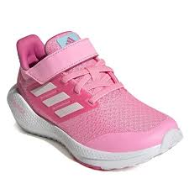 | ADIDAS | Sneakers | KIDS | Unisex | HR1843 | HR1843-BLACK_WHITE-3.5
 | ADIDAS | Sneakers | KIDS | Unisex | S24042 | S24042-BLACK_WHITE-10K
 | ADIDAS | Sneakers | KIDS | Unisex | S24042 | S24042-BLACK_WHITE-11.5K
 | ADIDAS | Sneakers | KIDS | Unisex | S24042 | S24042-BLACK_WHITE-11K
 | ADIDAS | Sneakers | KIDS | Unisex | S24042 | S24042-BLACK_WHITE-12.5K
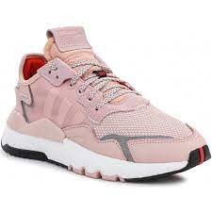 | ADIDAS | Sneakers | ADULT | Women | EE5915 | EE5915-PINK-4
 | ADIDAS | Sneakers | ADULT | Women | EE5915 | EE5915-PINK-8
 | ADIDAS | Sneakers | ADULT | Women | EF1994 | EF1994-PINK-4
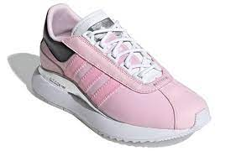 | ADIDAS | Sneakers | ADULT | Women | EF5556 | EF5556-PINK_BLACK-5
 | ADIDAS | Sneakers | ADULT | Women | EF5556 | EF5556-PINK_BLACK-6
 | ADIDAS | Sneakers | ADULT | Women | FW9148 | FW9148-GREY_SILVER-4
 | ADIDAS | Sneakers | ADULT | Women | FX5684 | FX5684-WHITE_BLACK-3.5
 | ADIDAS | Sneakers | ADULT | Women | FY4074 | FY4074-WHITE_GOLD-4.5
 | ADIDAS | Sneakers | ADULT | Women | FZ2228 | FZ2228-BLACK_WHITE-3.5
 | ADIDAS | Sneakers | ADULT | Women | GV8720 | GV8720-PINK-9
 | ADIDAS | Sneakers | ADULT | Women | GV8720 | GV8720-PINK-9.5
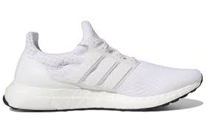 | ADIDAS | Sneakers | ADULT | Women | GV8747 | GV8747-WHITE-4
 | ADIDAS | Sneakers | ADULT | Women | GX4617 | GX4617-WHITE-7.5
 | ADIDAS | Sneakers | ADULT | Women | GX5083 | GX5083-WHITE-3.5
 | ADIDAS | Sneakers | ADULT | Women | GX5083 | GX5083-WHITE-4
 | ADIDAS | Sneakers | ADULT | Women | GX5083 | GX5083-WHITE-4.5
 | ADIDAS | Sneakers | ADULT | Women | GX5083 | GX5083-WHITE-6.5
 | ADIDAS | Sneakers | ADULT | Women | GX5083 | GX5083-WHITE-7
 | ADIDAS | Sneakers | ADULT | Women | GX5083 | GX5083-WHITE-8
 | ADIDAS | Sneakers | ADULT | Women | GX5083 | GX5083-WHITE-8.5
 | ADIDAS | Sneakers | ADULT | Women | GX5083 | GX5083-WHITE-9
 | ADIDAS | Sneakers | ADULT | Women | GX5083 | GX5083-WHITE-9.5
 | ADIDAS | Sneakers | ADULT | Women | GX5083 | GX5083-WHITE-10
 | ADIDAS | Sneakers | ADULT | Women | GX5083 | GX5083-WHITE-10.5
 | ADIDAS | Sneakers | ADULT | Women | GX5587 | GX5587-BLACK-3.5
 | ADIDAS | Sneakers | ADULT | Women | GX5593 | GX5593-NAVY_WHITE-3.5
 | ADIDAS | Sneakers | ADULT | Women | GX5593 | GX5593-NAVY_WHITE-5
 | ADIDAS | Sneakers | ADULT | Women | GX5593 | GX5593-NAVY_WHITE-7.5
 | ADIDAS | Sneakers | ADULT | Women | GX6670 | GX6670-RED-3.5
 | ADIDAS | Sneakers | ADULT | Women | GX6670 | GX6670-RED-4
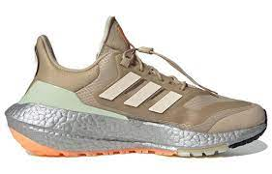 | ADIDAS | Sneakers | ADULT | Women | GX6736 | GX6736-BEIGE-3.5
 | ADIDAS | Sneakers | ADULT | Women | GX6736 | GX6736-BEIGE-4
 | ADIDAS | Sneakers | ADULT | Women | GX6736 | GX6736-BEIGE-4.5
 | ADIDAS | Sneakers | ADULT | Women | GX6736 | GX6736-BEIGE-5
 | ADIDAS | Sneakers | ADULT | Women | GX6736 | GX6736-BEIGE-5.5
 | ADIDAS | Sneakers | ADULT | Women | GX6736 | GX6736-BEIGE-6
 | ADIDAS | Sneakers | ADULT | Women | GX6736 | GX6736-BEIGE-6.5
 | ADIDAS | Sneakers | ADULT | Women | GX6736 | GX6736-BEIGE-7
 | ADIDAS | Sneakers | ADULT | Women | GX6736 | GX6736-BEIGE-7.5
 | ADIDAS | Sneakers | ADULT | Women | GX9157 | GX9157-NAVY-6
 | ADIDAS | Sneakers | ADULT | Women | GX9269 | GX9269-GREY-3.5
...
 | ADIDAS | Sneakers | KIDS | Women | GY9211 | GY9211-RED-2.5
 | ADIDAS | Sneakers | ADULT | Women | GY9547 | GY9547-WHITE-4
 | ADIDAS | Sneakers | ADULT | Women | GY9547 | GY9547-WHITE-4.5
 | ADIDAS | Sneakers | ADULT | Women | GY9547 | GY9547-WHITE-5
 | ADIDAS | Sneakers | ADULT | Women | GY9547 | GY9547-WHITE-5.5
 | ADIDAS | Sneakers | ADULT | Women | GZ6469 | GZ6469-WHITE-6
 | ADIDAS | Sneakers | ADULT | Women | GZ6469 | GZ6469-WHITE-6.5
 | ADIDAS | Sneakers | ADULT | Women | H01168 | H01168-BLACK-5.5
 | ADIDAS | Sneakers | ADULT | Women | H04592 | H04592-PINK_GREY-4
 | ADIDAS | Sneakers | ADULT | Women | H05713 | H05713-GREEN-9
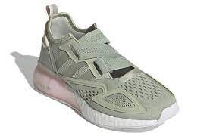 | ADIDAS | Sneakers | ADULT | Women | H05713 | H05713-GREEN-9.5
 | ADIDAS | Sneakers | ADULT | Women | HP7648 | HP7648-GREEN_WHITE-7.5
 | ADIDAS | Sneakers | ADULT | Women | HP7648 | HP7648-GREEN_WHITE-8
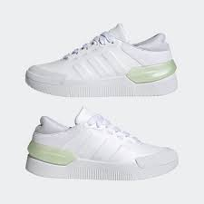 | ADIDAS | Sneakers | ADULT | Women | HP9458 | HP9458-WHITE-3.5
 | ADIDAS | Sneakers | ADULT | Women | HP9458 | HP9458-WHITE-4
 | ADIDAS | Sneakers | ADULT | Women | HP9458 | HP9458-WHITE-5
 | ADIDAS | Sneakers | ADULT | Women | HP9458 | HP9458-WHITE-6
 | ADIDAS | Sneakers | ADULT | Women | HP9458 | HP9458-WHITE-6.5
 | ADIDAS | Sneakers | ADULT | Women | HP9458 | HP9458-WHITE-7
 | ADIDAS | Sneakers | ADULT | Women | HP9458 | HP9458-WHITE-7.5
 | ADIDAS | Sneakers | ADULT | Women | HQ6042 | HQ6042-SILVER-4.5
 | ADIDAS | Sneakers | ADULT | Women | Q46222 | Q46222-PINK-6
 | ADIDAS | Sneakers | ADULT | Women | S23846 | S23846-GREY-5.5
 | Michael Kors | Active | ADULT | Women | 43F3EYFE1Y | 43F3EYFE1Y-SPICED CORAL-6
...
 | Michael Kors | Active | ADULT | Women | 43F3FYFS1D | 43F3FYFS1D-BAE MULTI-6,5
 | Michael Kors | Active | ADULT | Women | 43F3FYFS1D | 43F3FYFS1D-BAE MULTI-10
 | Michael Kors | Active | ADULT | Women | 49H3JNFS3D | 49H3JNFS3D-GUNMETAL-6
 | Michael Kors | Active | ADULT | Women | 49H3JNFS3D | 49H3JNFS3D-GUNMETAL-7
 | Michael Kors | Active | ADULT | Women | 49H3JNFS3D | 49H3JNFS3D-GUNMETAL-8
 | Michael Kors | Active | ADULT | Women | 49H3JNFS3D | 49H3JNFS3D-GUNMETAL-9
 | Michael Kors | Active | ADULT | Women | 49R5JNFS1D | 49R5JNFS1D-BLACK-6
 | Michael Kors | Active | ADULT | Women | 49R5JNFS1D | 49R5JNFS1D-BLACK-7
 | Michael Kors | Active | ADULT | Women | 49R5JNFS1D | 49R5JNFS1D-BLACK-8
 | Michael Kors | Active | ADULT | Women | 49R5JNFS1D | 49R5JNFS1D-BLACK-9
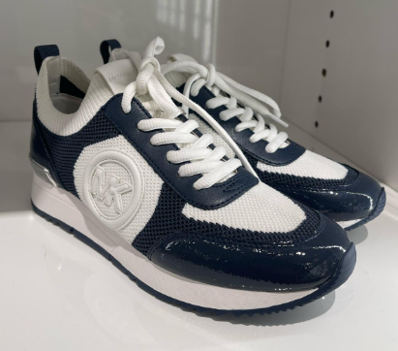 | Michael Kors | Active | ADULT | Women | 49R5JNFS1D | 49R5JNFS1D-NAVY-7
 | Michael Kors | Active | ADULT | Women | 49R5JNFS1D | 49R5JNFS1D-NAVY-8
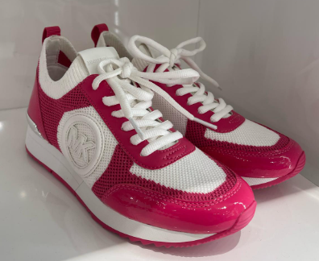 | Michael Kors | Active | ADULT | Women | 49R5JNFS1D | 49R5JNFS1D-DRAGONFRUIT-7
 | Michael Kors | Active | ADULT | Women | 49R5JNFS1D | 49R5JNFS1D-DRAGONFRUIT-8
 | Michael Kors | Active | ADULT | Women | 49R5JNFS1D | 49R5JNFS1D-DRAGONFRUIT-11
 | Michael Kors | Active | ADULT | Women | 49F4KAFS3L | 49F4KAFS3L-OXBLOOD MLTI-6
 | Michael Kors | Active | ADULT | Women | 49F4KAFS3L | 49F4KAFS3L-OXBLOOD MLTI-7
 | Michael Kors | Active | ADULT | Women | 49F4KAFS3L | 49F4KAFS3L-OXBLOOD MLTI-8
 | Michael Kors | Active | ADULT | Women | 49R5KAFS1L | 49R5KAFS1L-NAVY-7
 | Michael Kors | Active | ADULT | Women | 49R5KAFS1L | 49R5KAFS1L-NAVY-8
 | Michael Kors | Active | ADULT | Women | 49R5KAFS1L | 49R5KAFS1L-NAVY-11
 | Michael Kors | Active | ADULT | Women | 49R5KAFS1B | 49R5KAFS1B-DRAGONFRUIT-7
 | Michael Kors | Active | ADULT | Women | 49R5KAFS1B | 49R5KAFS1B-DRAGONFRUIT-8
 | Michael Kors | Active | ADULT | Women | 43F3OLFS1B | 43F3OLFS1B-BLACK-10
 | Michael Kors | Active | ADULT | Women | 49R5RMFS2B | 49R5RMFS2B-DRAGONFRUIT-7
 | Michael Kors | Active | ADULT | Women | 49F3SHFS2L | 49F3SHFS2L-OPTIC WHITE-6
 | Michael Kors | Active | ADULT | Women | 49F3SHFS2L | 49F3SHFS2L-OPTIC WHITE-7
 | Michael Kors | Active | ADULT | Women | 49F3SHFS2L | 49F3SHFS2L-OPTIC WHITE-8
 | Michael Kors | Boot | ADULT | Women | 49F4MNFB6L | 49F4MNFB6L-LUGGAGE MULTI-5
 | Michael Kors | Bootie | ADULT | Women | 40F3AYFEEL | 40F3AYFEEL-LUGGAGE-8
 | Michael Kors | Bootie | ADULT | Women | 40F3AYFEEL | 40F3AYFEEL-LUGGAGE-9
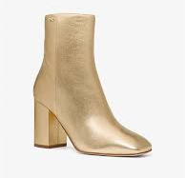 | Michael Kors | Bootie | ADULT | Women | 40H3PLHE5M | 40H3PLHE5M-PALE GOLD-8
 | Michael Kors | Bootie | ADULT | Women | 49F4WVME5M | 49F4WVME5M-SILVER-11
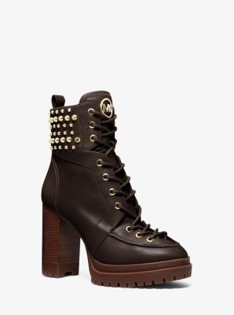 | Michael Kors | Bootie | ADULT | Women | 40F3YVHE8L | 40F3YVHE8L-LUGGAGE-8M
 | Michael Kors | Bootie | ADULT | Women | 40F3YVHE8L | 40F3YVHE8L-CHOCO-7
 | Michael Kors | Bootie | ADULT | Women | 40F3YVHE8L | 40F3YVHE8L-CHOCO-8
 | Michael Kors | Decollete | ADULT | Women | 40R4CEMS1D | 40R4CEMS1D-PALE-6
 | Michael Kors | Decollete | ADULT | Women | 40R4CEMS1D | 40R4CEMS1D-PALE-7
 | Michael Kors | Decollete | ADULT | Women | 40R4CEMS1D | 40R4CEMS1D-PALE-8
 | Michael Kors | Decollete | ADULT | Women | 40R4CEMS1D | 40R4CEMS1D-PALE-9
 | Michael Kors | Decollete | ADULT | Women | 49S2SMMA1M | 49S2SMMA1M-PALE GOLD-8
 | Michael Kors | Espadrilla | ADULT | Women | 40R4NRFP1D | 40R4NRFP1D-PALE-8,5
 | Michael Kors | Sandal | ADULT | Women | 40F3RYMP1S | 40F3RYMP1S-GOLDEN-8.5
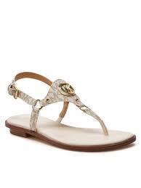 | Michael Kors | Sandals | ADULT | Women | 40R4CSFA1B | 40R4CSFA1B-BROWN-7
 | Michael Kors | Sandals | ADULT | Women | 40S4DNFS2L | 40S4DNFS2L-LUGGAGE-7.5
 | Michael Kors | Sandals | ADULT | Women | 40R5MKFA1B | 40R5MKFA1B-VANILLA-7,5
 | Michael Kors | Sandals | ADULT | Women | 40R5MKFA1B | 40R5MKFA1B-BROWN-6
 | Michael Kors | Sandals | ADULT | Women | 40R5MKFA1B | 40R5MKFA1B-BROWN-7,5
 | Michael Kors | Sandals | ADULT | Women | 40U2MKFA1L | 40U2MKFA1L-BLACK-6
 | Michael Kors | Sandals | ADULT | Women | 40U2MKFA1L | 40U2MKFA1L-BLACK-6,5
 | Michael Kors | Sandals | ADULT | Women | 40U2MKFA1L | 40U2MKFA1L-BLACK-7
 | Michael Kors | Sandals | ADULT | Women | 40U2MKFA1L | 40U2MKFA1L-BLACK-7,5
 | Michael Kors | Sandals | ADULT | Women | 40U2MKFA1L | 40U2MKFA1L-BLACK-8
 | Michael Kors | Sandals | ADULT | Women | 40U2MKFA1L | 40U2MKFA1L-BLACK-8,5
...

